Cluster Analyses
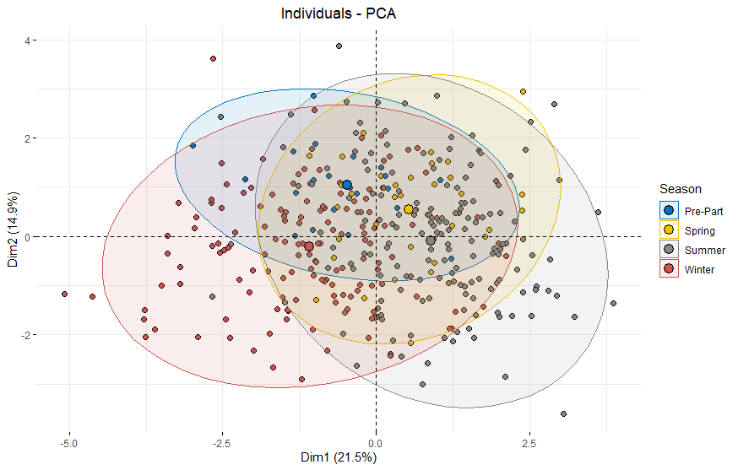
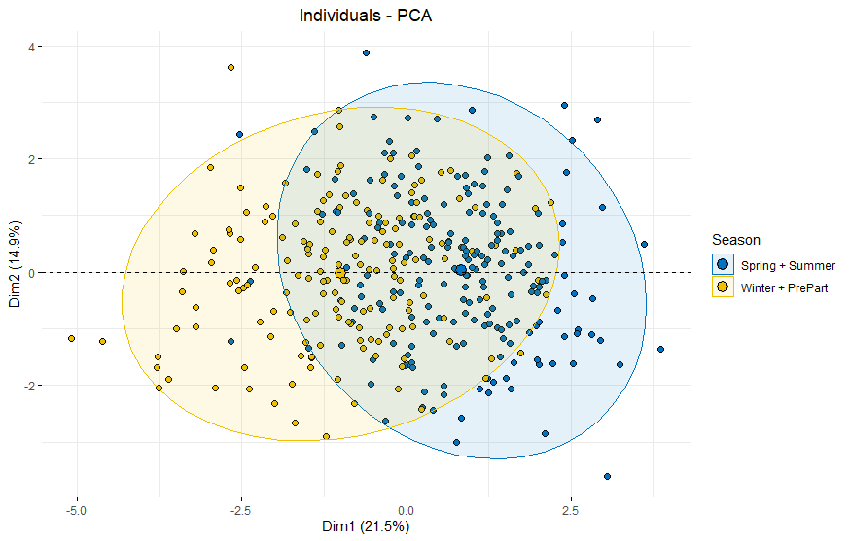
GPIR Wolf Cluster Analysis |  |  |  |  |  | GPIR Deer Cluster Analysis |  |  |  |  |  | GPIR Moose Cluster Analysis |  |  |  |  |  | ISRO Wolf Cluster Analysis |  |  | GPIR Moose Cluster Analysis
Sample Size |  |  |  |  |  | Sample Size |  |  |  |  |  | Sample Size |  |  |  |  |  | Sample Size |  |  | Sample Size
n = 39 | 56% female |  |  |  |  | n = 72 | 75% female |  |  |  |  | n = 135 | 85% female |  |  |  |  | n = 23 | 43% female |  | n = 44 | 96% female

Test for Significant Variables (one-way ANOVA) |  |  |  |  |  | Test for Significant Variables (one-way ANOVA) |  |  |  |  |  | Test for Significant Variables (one-way ANOVA) |  |  |  |  |  | Test for Significant Variables (one-way ANOVA) |  |  | Test for Significant Variables (one-way ANOVA)
p = 0.68 | all variables significant |  |  |  |  | "initial centers are not distinct" |  |  |  |  |  | p = 0.70 | all variables significant |  |  |  |  | "Initial centers are not distinct" |  |  | "Initial centers are not distinct"

Test for Number of Clusters (elbow method) |  |  |  |  |  | Test for Number of Clusters (elbow method) |  |  |  |  |  | Test for Number of Clusters (elbow method) |  |  |  |  |  | Test for Number of Clusters (elbow method) |  |  | Test for Number of Clusters (elbow method)
2, 3 |  |  |  |  |  | 2 |  |  |  |  |  | 2, 3 |  |  |  |  |  | 2, 3 |  |  | 2, 3

Test for Number of Clusters (silhouette method) |  |  |  |  |  | Test for Number of Clusters (silhouette method) |  |  |  |  |  | Test for Number of Clusters (silhouette method) |  |  |  |  |  | Test for Number of Clusters (silhouette method) |  |  | Test for Number of Clusters (silhouette method)
in order: 5, 3, 2 |  |  |  |  |  | 2 |  |  |  |  |  | 2 |  |  |  |  |  | 3 to 8 |  |  | 2, 7

Cluster Stability (Jaccard) |  |  |  |  |  | Cluster Stability (Jaccard) |  |  |  |  |  | Cluster Stability (Jaccard) |  |  |  |  |  | Cluster Stability (Jaccard) |  |  | Cluster Stability (Jaccard)
1 | 2 |  |  |  |  | 1 | 2 |  |  |  |  | 1 | 2 |  |  |  |  | 1 | 2 |  | 1 | 2 | 3
0.83 | 0.78 | Good stability |  |  |  | 0.94 | 0.95 | Great stability |  |  |  | 0.87 | 0.88 | Great stability |  |  |  | 0.72 | 0.72 | Unstable | 0.67 | 0.59 | 0.35 | Unstable

Cluster Dates (forward) |  |  |  |  |  | Cluster Dates (forward) |  |  |  |  |  | Cluster Dates (forward)
# | Start (Julian) | End (Julian) |  |  |  | # | Start (Julian) | End (Julian) |  |  |  | # | Start (Julian) | End (Julian)
1 | 316 | 103 |  |  |  | 1 | 331 | 114 |  |  |  | 1 | 297 | 80
2 | 104 | 315 |  |  |  | 2 | 115 | 330 |  |  |  | 2 | 81 | 108
 |  |  |  |  |  |  |  |  |  |  |  | 1 | 109 | 130
Cluster Dates (backward) |  |  |  |  |  | Cluster Dates (backward) |  |  |  |  |  | 2 | 131 | 296
# | Start (Julian) | End (Julian) |  |  |  | # | Start (Julian) | End (Julian)
1 | 310 | 96 |  |  |  | 1 | 316 | 114 |  |  |  | Cluster Dates (backward)
2 | 97 | 309 |  |  |  | 2 | 115 | 315 |  |  |  | # | Start (Julian) | End (Julian)
 |  |  |  |  |  |  |  |  |  |  |  | 1 | 289 | 60
Cluster Dates (average) |  |  |  |  |  | Cluster Dates (average) |  |  |  |  |  | 2 | 61 | 100
# | Start (Julian) | End (Julian) | Start Date | End Date | Season | # | Start (Julian) | End (Julian) | Start Date | End Date | Season | 1 | 101 | 124
1 | 313 | 100 | 2022-11-09 | 2022-04-10 | Winter | 1 | 324 | 114 | 2022-11-20 | 2022-04-24 | Winter | 2 | 125 | 288
2 | 101 | 312 | 2022-04-11 | 2022-11-08 | Summer | 2 | 115 | 323 | 2022-04-25 | 2022-11-19 | Summer
 |  |  |  |  |  |  |  |  |  |  |  | Cluster Dates (average)
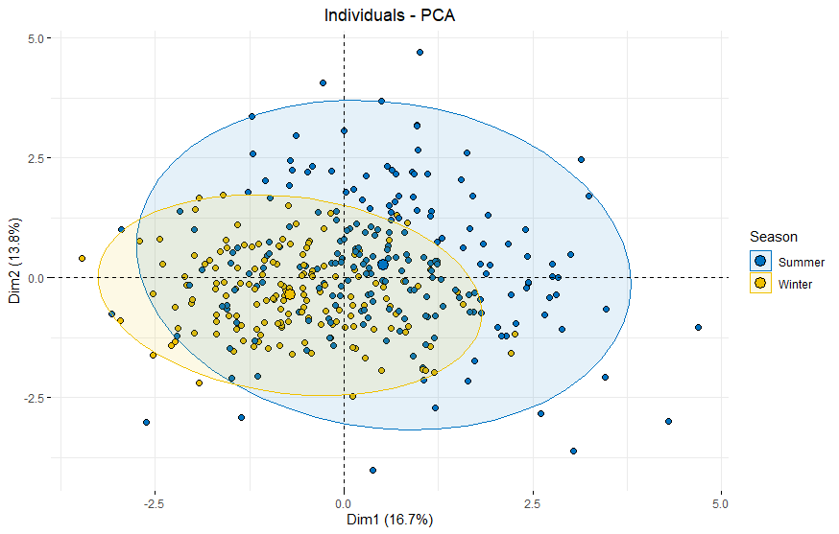
 |  |  |  |  |  | Notes: |  |  |  |  |  | # | Start (Julian) | End (Julian) | Start Date | End Date | Season
 |  |  |  |  |  | Migrators had the same seasons with almost the same dates |  |  |  |  |  | 1 | 293 | 70 | 2022-10-19 | 2022-03-11 | Winter
 |  |  |  |  |  | Residents didn't cluster, but the sample size was way too small |  |  |  |  |  | 2 | 71 | 104 | 2022-03-12 | 2022-04-14 | Spring Shift
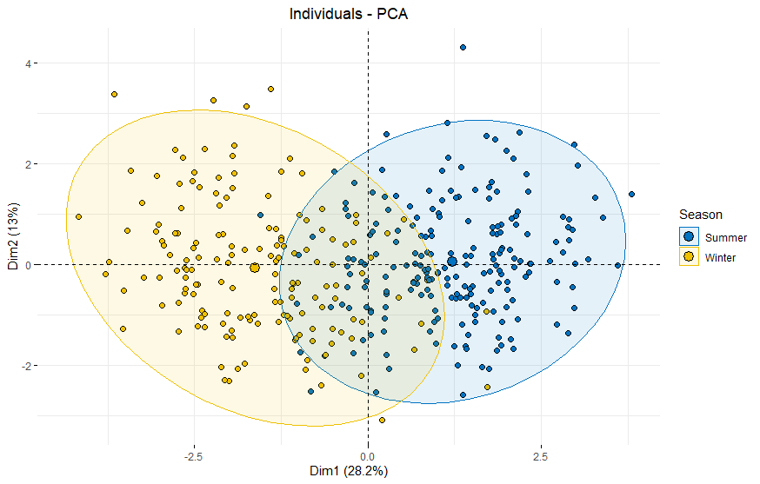
 |  |  |  |  |  |  |  |  |  |  |  | 1 | 105 | 127 | 2022-04-15 | 2022-05-07 | Pre-Parturition
 |  |  |  |  |  |  |  |  |  |  |  | 2 | 128 | 292 | 2022-05-08 | 2022-10-19 | Summer

 |  |  |  |  |  |  |  |  |  |  |  | Notes:
 |  |  |  |  |  |  |  |  |  |  |  | Residents had far more than 4 seasons
 |  |  |  |  |  |  |  |  |  |  |  | Nomads had 4 seasons w/ slightly different dates
 |  |  |  |  |  |  |  |  |  |  |  | Migrators had no seasonality
 |  |  |  |  |  |  |  |  |  |  |  | Females followed pattern closely
 |  |  |  |  |  |  |  |  |  |  |  | Males didn't form clusters, but their sample size was small

